Sheet1
Resize | K | C | G | R_Train | R_Test | Resize | [128, 160, 192, 224]
128 | 180 | [1,3,6,10,15] | ['auto', 0.0039, 0.0047, 0.0063, 0.0071] | 90.23% | 92.74% | K | [180,, 250, 500, 750, 1000]
 | 250 |  | ['auto', 0.0024, 0.0032, 0.0048, 0.0056] | 90.87% | 92.51%
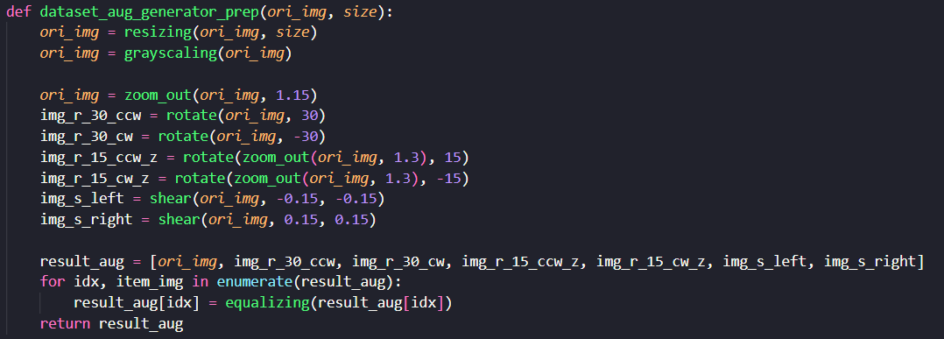
 | 500 |  | ['auto', 0.001, 0.0015, 0.0025, 0.003] | 92.35% | 94.78%
 | 750 |  | ['auto', 0.00090, 0.00095, 0.0018, 0.0023] | 93.07% | 95.23%
 | 1000 |  | ['auto', 0.00090, 0.00095, 0.0015, 0.0020] | 92.23% | 94.55%
160 | 180 | [1,3,6,10,15] | ['auto', 0.0039, 0.0047, 0.0063, 0.0071] | 89.23% | 90.92%
 | 250 |  | ['auto', 0.0024, 0.0032, 0.0048, 0.0056] | 90.79% | 95.01%
 | 500 |  | ['auto', 0.001, 0.0015, 0.0025, 0.003] | 91.71% | 93.87%
 | 750 |  | ['auto', 0.00090, 0.00095, 0.0018, 0.0023] | 91.67% | 94.78%
 | 1000 |  | ['auto', 0.00090, 0.00095, 0.0015, 0.0020] | 92.39% | 93.65%
192 | 180 | [1,3,6,10,15] | ['auto', 0.0039, 0.0047, 0.0063, 0.0071] | 89.39% | 92.51%
 | 250 |  | ['auto', 0.0024, 0.0032, 0.0048, 0.0056] | 90.59% | 92.74%
 | 500 |  | ['auto', 0.001, 0.0015, 0.0025, 0.003] | 91.75% | 94.55%
 | 750 |  | ['auto', 0.00090, 0.00095, 0.0018, 0.0023] | 92.35% | 95.46%
 | 1000 |  | ['auto', 0.00090, 0.00095, 0.0015, 0.0020] | 93.47% | 94.55%
224 | 180 | [1,3,6,10,15] | ['auto', 0.0039, 0.0047, 0.0063, 0.0071] | 87.07% | 91.38% | Kesimpulan
 | 250 |  | ['auto', 0.0024, 0.0032, 0.0048, 0.0056] | 87.35% | 90.92%
 | 500 |  | ['auto', 0.001, 0.0015, 0.0025, 0.003] | 90.91% | 94.33% | Resize | R_Train | R_Test | K | R_Train | R_Test
 | 750 |  | ['auto', 0.00090, 0.00095, 0.0018, 0.0023] | 92.15% | 93.19% | 128 | 91.75% | 93.96% | 180 | 88.98% | 91.89%
 | 1000 |  | ['auto', 0.00090, 0.00095, 0.0015, 0.0020] | 92.43% | 95.01% | 160 | 91.16% | 93.65% | 250 | 89.90% | 92.80%
 |  |  |  |  |  | 192 | 91.51% | 93.96% | 500 | 91.68% | 94.38%
 |  |  |  |  |  | 224 | 89.98% | 92.97% | 750 | 92.31% | 94.67%
 |  |  |  |  |  |  |  |  | 1000 | 92.63% | 94.44%

